Overview
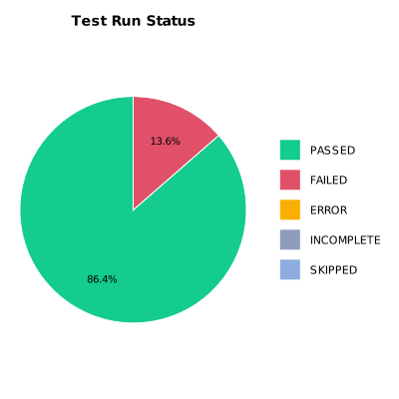
EXECUTION SUMMARY
Test Run ID | 752
Status | FAILED
Organization | FIT@HCMUS
Team | First Team
Project | First Project
By | Nguyen Trong Thuan
Start Time | 01/07/2024 09:46:40 +00:00
Duration | 0:06:34.597

TEST RESULTS
Total test results | 22
Passed | 19
Failed | 3
Error | 0
Incomplete | 0
Skipped | 0

